Day2
Id:1 | I want to write articles, So that I can share my knowledge and thoughts via articles.
Author/Blogger | I can add image,link to an article.
 | I can update and republish the article .
 | I can delete the article.
 | I can update and manage my profile.
 | I can invite certain people to read my article.

Id:2 | I used to read articles to gain more knowledge
Article Reader: | I want to save the article which impress me.
 | I want to share the article which has new impact.
 | I want to like the article which I love.
 | I can also follow the author I like.

Id:3
Queries Raiser(Any Employee): | I can raise queries in the forum, If I faced any issues.
 | I can search for query in the forum | User Flow
 | I can also give verified mark If I get my solution.

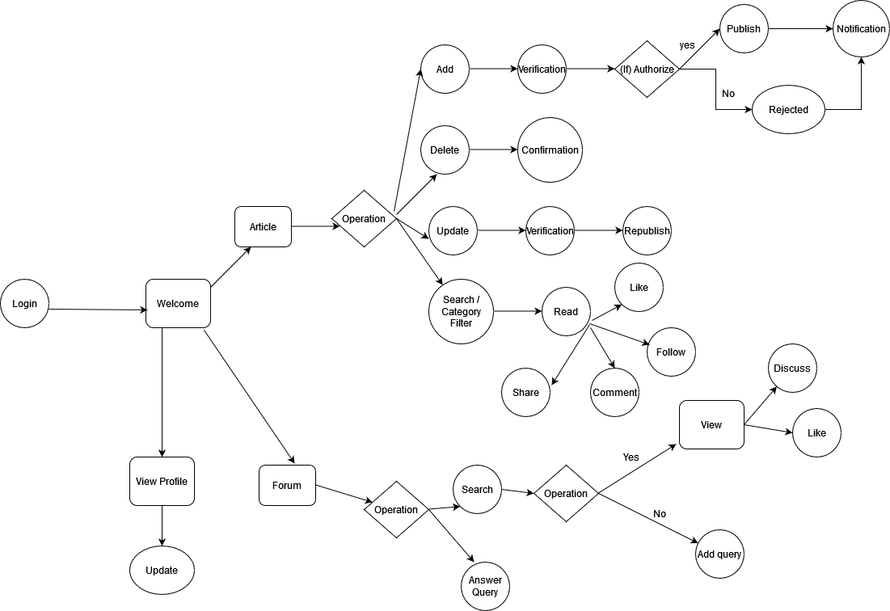
Id:4 | I can able to answer Queries raised by anyone in the technical forum.
Queries Solver (Any Employee): | I can also interact with query raiser if the question is not clear.

Id:5 | I can able to view the dashboard.
System Admin: | I can approve the employee who register ,so that they can able to access our website ,read/write articles ,raise queries and solve queries.
 | I can also give the ratings for authors with their writings.
 | I can manage the author and user profile.
 | I can report and delete the spam content and users.

Id:6 | I can able to review the others articles before publishing.
Reviewer: | I can able to reject the article if the article content is not good.
 | I can able to comment the article.
 | I can able to approve the article.

 | User Flow
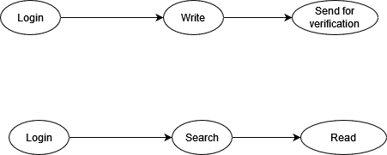

Author/Blogger

 |  | Admin Flow

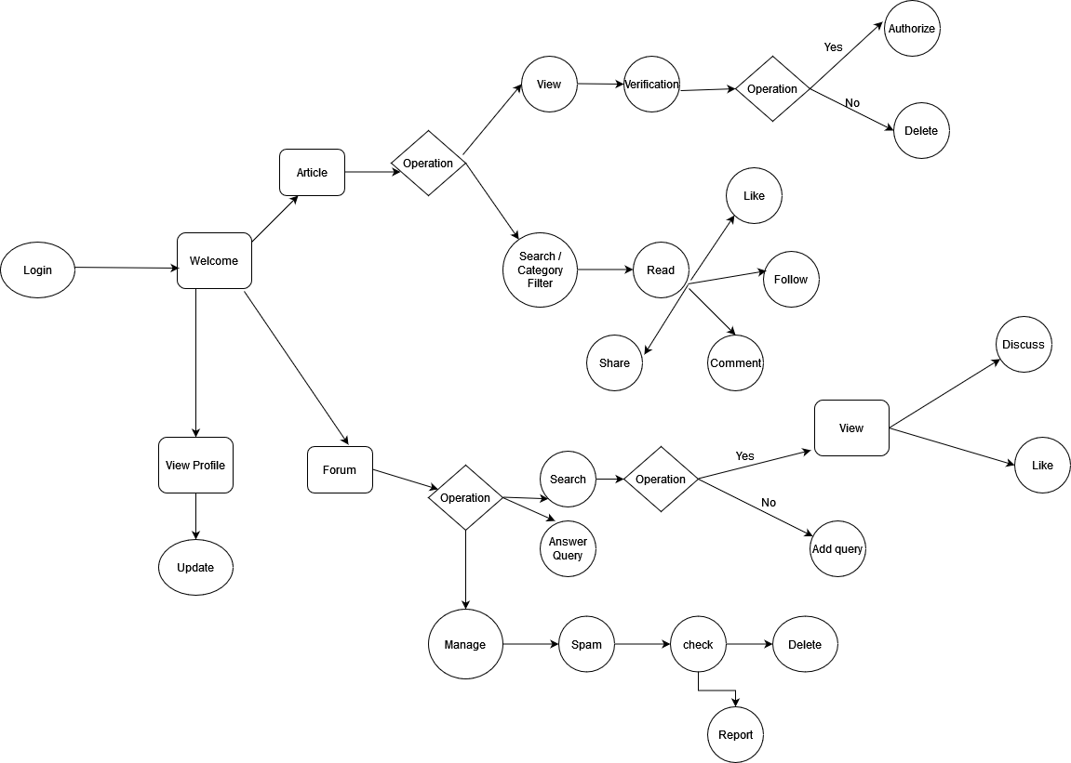
Article Reader:

Query Raiser
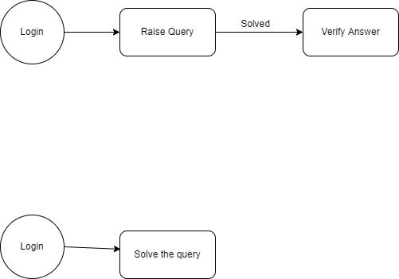

Query Solver

 |  |  | Expert Flow

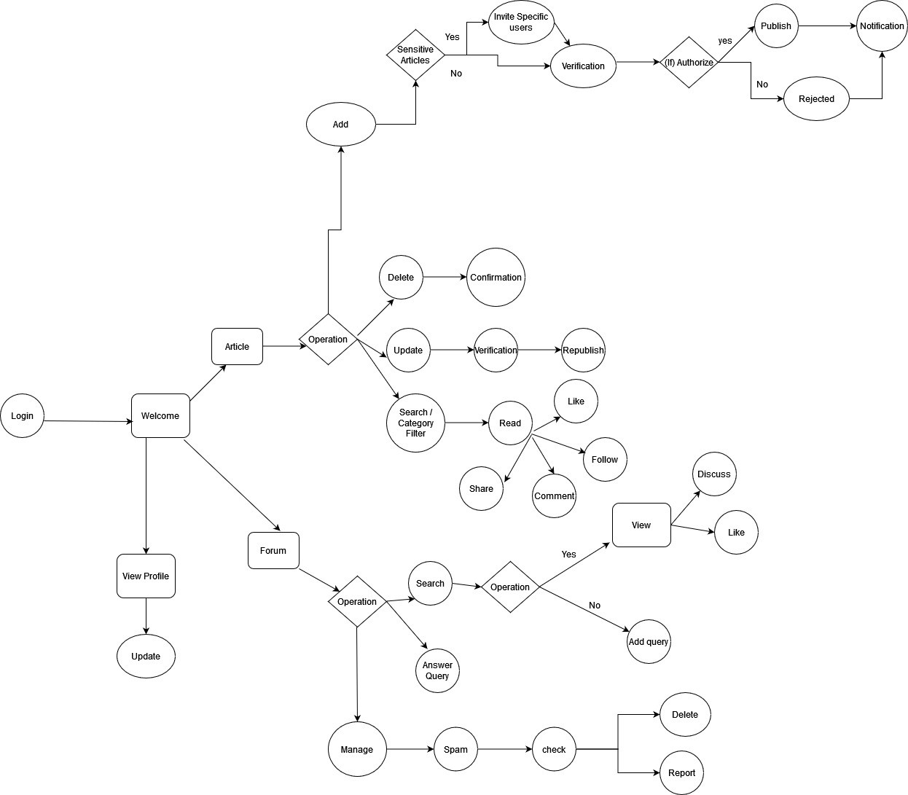

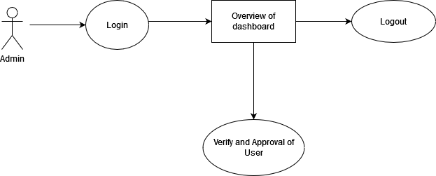
Admin Flow

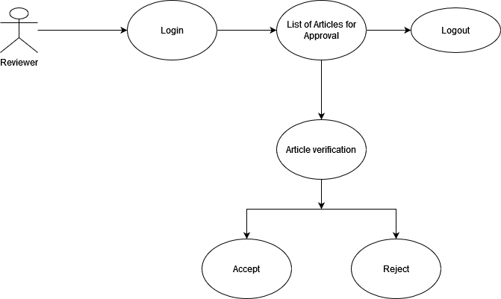
Reviewer Flow

